Instructions
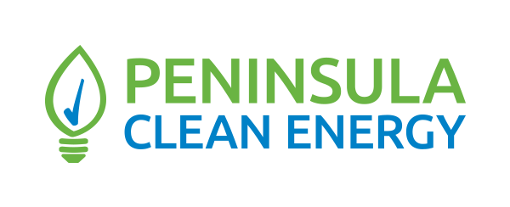

Instructions for Completing the Data Form Template

These instructions for the Data Form template describe the following tabs in this spreadsheet, each of which need to be completed in full for each project submission:

 |  |  | Project Type | Required Information Sheets | Naming Convention for File Name
 |  |  | Variable Renewables | 1, 2, 3, 4, 5 | Renew
 |  |  | Firm Renewables | 1, 2, 3, 4, 5 | Firm
 |  |  | Variable Renewables + Storage | 1, 2, 3, 4, 5 | RenewStor
 |  |  | Firm Renewables + Storage | 1, 2, 3, 4, 5 | FirmRenewStor
 |  |  | Non-Lithium Standalone Storage | 1, 2, 3, 4, 5 | Stor

Submission Overview
 |  | Boxes labeled with this color are titles and information
 |  | Boxes labeled with this color are provided examples
 |  | Boxes labeled with this color are required or optional Respondent inputs
 |  | Boxes labeled with this color use values from other cells

File Naming
 | Completed Offer Forms and other Offer materials should be named according to the following convention:
 | Data Form: |  | DataForm_ProjectOwnerName_ProjectName_ProjectType.xlsx
 | Narrative: |  | Narrative_ProjectOwnerName_ProjectName.pdf
 | Geospatial files: |  | GeospatialFootprint_ProjectOwnerName_ProjectName.kml
 | Sustainable Workforce Response: |  | SustainableWorkforce_ProjectOwnerName_ProjectName.pdf
 | Ehtical Vendor Response: |  | EthicalVendor_ProjectOwnerName_ProjectName.pdf

 | For example, if ABC Energy, LLC is submitting an offer for a renewable + storage project called Windy Wind Project, the file names should be:
 | Data Form: |  | DataForm_ABCEnergy_Windy_RenewStor.xlsx
 | Narrative: |  | Narrative_ABCEnergy_Windy.pdf
 | Geospatial files: |  | GeospatialFootprint_ABCEnergy_Windy.kml
 | Sustainable Workforce Response: |  | SustainableWorkforce_ABCEnergy_Windy.pdf
 | Ehtical Vendor Response: |  | EthicalVendor_ABCEnergy_Windy.pdf

1. Participant Information
 | - Please provide complete information for each section (highlighted in blue). Notes are provided for most cells to provide clarification of the requested information.

2. Facility Detail
 | - Fill out this tab first - many other tabs reference entries on this tab for data validation
 | - Please use this sheet to enter project data for renewable energy and stoage projects.
 | - Please enter all requested data in the blue portion of the sheet.
 | - Data must be supplied in the units requested.

3. Qualitative Assessment Questionnaire
 | - Please provide answers for each section, using the drop-down responses where supplied.
 | - Additional instructions and definitions are provided in the RFI Protocol.

4. Development Risk Questionnaire
 | - Please provide answers for each question, using the drop-down responses where supplied.

5. Supplier Diversity Questionnaire
 | - Please provide answers for each question, using the drop-down responses where supplied. Completing this sheet is optional and will not be used in ranking the projects.

Note: Each separate project and each unique project offer must be submitted in its own separate Offer Form Template. Alternative offers described in the Narrative may not be considered.

Additional Information
 | The RFI Solicitation and all supporting documents are available on Peninsula Clean Energy's website at: https://www.peninsulacleanenergy.com/solicitation/rfi-for-projects-in-caisos-queue-cluster-15/
 | The estimated timeline for this solicitation is provided below. Peninsula Clean Energy reserves the right to adjust the timeline. Please see our website for the most up-to-date timeline.

 | Activity |  |  |  | Date
 | Deadline to submit Questions |  |  |  | Wednesday, October 2, 2024
 | Q&A posted to RFI Website |  |  |  | Friday, October 4, 2024
 | Deadline to submit requested information |  |  |  | Friday, October 11, 2024; 5 PM PPT
 | Participants notified of shortlist status for allocation of Peninsula Clean Energy’s Commercial Interest Points |  |  |  | Early November 2024
 | Deadline to post Shortlist Deposit and execute an Exclusivity Agreement |  |  |  | Tuesday, December 10, 2024

